Shrink Calc
Shrinkage factors for FDM
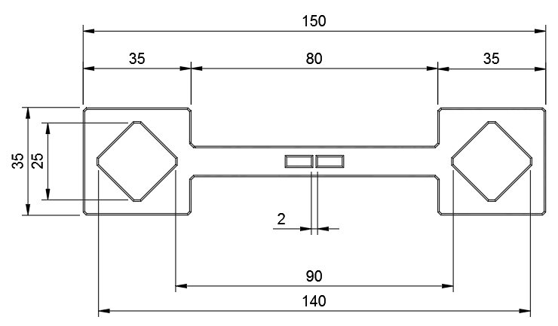

ABS (Digitmakers, Yellow), 250C, .200mm, fan@25%, 80mmps.
Dimensions | Nominal | Measured | Error
Between squares (outer) | 150.00mm | 149.20mm | -0.53%
Between diamonds (outer) | 140.00mm | 139.00mm | -0.71%
Between diamonds (inner) | 90.00mm | 89.75mm | -0.28%
Between squares (inner) | 80.00mm | 79.45mm | -0.69%
Left square, X | 35.00mm | 34.80mm | -0.57%
Left square, Y | 35.00mm | 34.80mm | -0.57%
Right square, X | 35.00mm | 34.82mm | -0.51%
Right square, Y | 35.00mm | 34.81mm | -0.54%
Left diamond, X (inner) | 25.00mm | 24.85mm | -0.60%
Left diamond, Y (inner) | 25.00mm | 24.85mm | -0.60%
Right diamond, X (inner) | 25.00mm | 24.88mm | -0.48%
Right diamond, Y (inner) | 25.00mm | 24.90mm | -0.40%
Avg scale error > |  |  | -0.54%
2mm web (Radial comp check) | 2.000 | 2.040 | 2.00%
Anticipated error based on scale | 2.000 | 1.989 | -0.54%
Estimated sizing error due to radial comp > |  | 0.051
New scale errors after simulating reprint with comp error applied
Between squares (outer) | 150.00mm | 149.15mm | -0.57%
Between diamonds (outer) | 140.00mm | 138.95mm | -0.75%
Between diamonds (inner) | 90.00mm | 89.70mm | -0.33%
Between squares (inner) | 80.00mm | 79.40mm | -0.75%
Left square, X | 35.00mm | 34.75mm | -0.72%
Left square, Y | 35.00mm | 34.75mm | -0.72%
Right square, X | 35.00mm | 34.77mm | -0.66%
Right square, Y | 35.00mm | 34.76mm | -0.69%
Left diamond, X (inner) | 25.00mm | 24.80mm | -0.80%
Left diamond, Y (inner) | 25.00mm | 24.80mm | -0.80%
Right diamond, X (inner) | 25.00mm | 24.83mm | -0.68%
Right diamond, Y (inner) | 25.00mm | 24.85mm | -0.60%
Calculated scale error > |  |  | -0.67%
Calculated radial comp error > |  |  | -0.025
Simplify3D scale amount > |  |  | 100.67%
Simplify3D horizontal size compensation value > |  |  | -0.03

